Dashboard
blinkit
Total Sales
1201681.493
Average Sales
140.9927834
Average Ratings
3.965857093
Total no of Items
8523
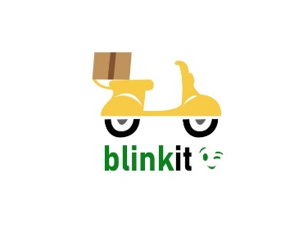

India's last minute app

total sales by FAT CONTENT
 | Total
Low Fat | 776319.6884
Regular | 425361.8044
TOTAL SALES BASED ON ITEM TYPE
 | Total
Baking Goods | 81894.7364
Breads | 35379.1198
Breakfast | 15596.6966
Canned | 90706.729
Dairy | 101276.4616
Frozen Foods | 118558.8814
Fruits and Vegetables | 178124.081
Hard Drinks | 29334.6806
Health and Hygiene | 68025.8388
Household | 135976.5254
Meat | 59449.8638
Others | 22451.8916
Seafood | 9077.87
Snack Foods | 175433.9224
Soft Drinks | 58514.167
Starchy Foods | 21880.0274
TOTAL SALES BY OUTPUT ESTABLISHMENT YR
 | Total
2011 | 78131.5666
2012 | 130476.8598
2014 | 131809.0156
2015 | 130942.7802
2016 | 132113.3698
2017 | 133103.907
2018 | 204522.257
2020 | 129103.9604
2022 | 131477.7764

TOTAL SALES BY OUTLET TYPE
 | Total
Grocery Store | 151939.149
Supermarket Type1 | 787549.8928
Supermarket Type2 | 131477.7764
Supermarket Type3 | 130714.6746
SALES BY FAT AT OUTLET
 | Low Fat | Regular
Tier 1 | 215047.9126 | 121349.8994
Tier 2 | 254464.7794 | 138685.8682
Tier 3 | 306806.9964 | 165326.0368

